Date Part 2

 |  | Count Functions -Part 02
 |  | Excel With Vidu
 |  | Sri Lanka's No 01 Excel Guru

 |  |  |  | Weeks 52 | 365
 |  |  |  | Sat /Sun | 104
NETWORKDAYS |  |  |  |  | 261
NETWORKDAYS.INTL
Date Vs Days |  |  |  |  | 257

Start Date | 2021-01-01
End Date | 2021-12-31 |  |  | Holidays
 |  |  | 2021-02-04 | 2021-02-04 | Independence day
NETWORKDAYS | 261 | NETWORKDAYS(B8,B9) | 2021-04-14 | 2021-04-14 | Sinhala New Year
NETWORKDAYS | 258 | NETWORKDAYS(B8,B9,E10:E13) | 2021-04-13 | 2021-04-13 | Sinhala New Year
NETWORKDAYS.INTL | 313 | NETWORKDAYS.INTL(B8,B9,11,E10:E13) | 2021-05-01 | 2021-05-01 | May 01st

Here are the practical scenarios

Project Planning:

Scenario: You're planning a project and need to know how many working days are available between the start and end dates.

Start Date: | 10/01/2023 |  |  |  | NETWORKDAYS(B29,B30)
End Date: | 01/12/2025 |  | Networkdays | 755

Employee Leave Management:

Scenario: You're responsible for managing employee leave requests and need to calculate the number of working days an employee will be absent.

Leave Start Date: | 10/02/2023 |  |  | NETWORKDAYS(B38,B39) |  | 10/02/2023 | 2023-02-10
Leave End Date: | 14/02/2023 |  | Networkdays |  |  | 11/02/2023 | 2023-02-11
 |  |  |  |  |  | 12/02/2023 | 2023-02-12
 |  |  |  |  |  | 13/02/2023 | 2023-02-13
 |  |  |  |  |  | 14/02/2023 | 2023-02-14

NETWORKDAYS.INTL

Retail Store with Non-Standard Workdays:

Scenario: You manage a retail store that operates on a Tuesday to Saturday schedule, and you want to calculate the number of working days for inventory turnover.
This will give you the number of working days between October 10, 2023, and October 20, 2023, considering Tuesday and Wednesday as non-working days.

Start Date: | 10/10/2023 |  |  | NETWORKDAYS.INTL(B54,B55,4)
End Date: | 20/10/2023 |  | Working Days | 7

Hospital Staff Roster:

Scenario: You're managing a hospital's staff roster, and your workweek starts on Sunday and ends on Friday. You need to calculate the number of working days for each nurse's shift.
specify that only Saturday is considered a holiday,

Start Date: | 10/10/2023
End Date: | 28/10/2023 |  | Working Days | 16

Date Part 3
 |  | Count Functions -Part 03
 |  | Excel With Vidu
 |  | Sri Lanka's No 01 Excel Guru

DATEDIF(

Date of Birth | Today's Date
1990-08-10 | 2024-08-08

Total Years | 33 | DATEDIF(A6,B6,"Y")
Total Months | 407 | DATEDIF(A6,B6,"M")
Total Days | 12417 | DATEDIF(A6,B6,"D")

Years | 33 | DATEDIF(A6,B6,"Y") |  | 33-Years 11-Months 29-Days
Total Months | 11 | DATEDIF(A6,B6,"YM")
Days | 29 | DATEDIF(A6,B6,"MD")

Employee Service Awards:
Scenario: You want to calculate how many years of service an employee has completed to determine their eligibility for service awards or benefits.

 | Joined Date | 2017-01-06
 | Today | 2024-08-08

 | Years of Service | 7 | DATEDIF(C24,C25,"Y")

Project Duration:
Scenario: You're managing a project and you want to track how many months it has been running.

 | Start Date | 2023-01-06
 | Today | 2024-08-08

 | Months | 19 | DATEDIF(C24,C25,"m")

Advanced Filterin
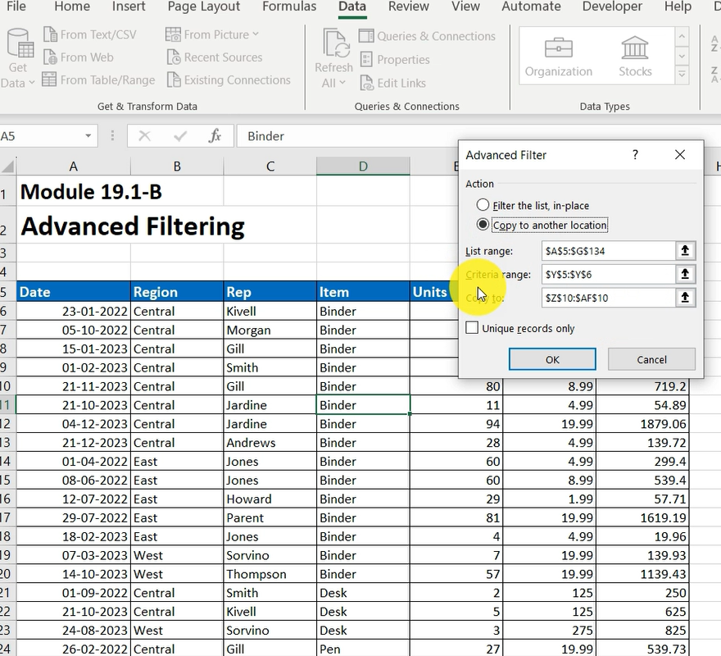
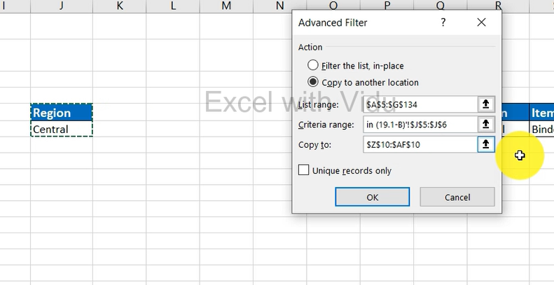
 |  | Advanced Filtering
 |  | Excel With Vidu
 |  | Sri Lanka's No 01 Excel Guru

Date | Region | Rep | Item | Units | Unit Cost | Sales |  | Region |  |  |  |  |  |  | Region | Item |  |  |  |  | Units |  |  |  |  |  |  | Date
2022-01-23 | Central | Kivell | Binder | 50 | 19.99 | 999.5 |  | Central |  |  |  |  |  |  | Central | Binder |  |  |  |  | >50 |  |  |  |  |  |  | >12/21/2022
2022-10-05 | Central | Morgan | Binder | 28 | 8.99 | 251.72
2023-01-15 | Central | Gill | Binder | 46 | 8.99 | 413.54 | Date | Region | Rep | Item | Units | Unit Cost | Sales | Date | Region | Rep | Item | Units | Unit Cost | Sales | Date | Region | Rep | Item | Units | Unit Cost | Sales
2023-02-01 | Central | Smith | Binder | 87 | 15 | 1305 | 2022-01-23 | Central | Kivell | Binder | 50 | 19.99 | 999.5 | 2022-01-23 | Central | Kivell | Binder | 50 | 19.99 | 999.5 | 2023-02-01 | Central | Smith | Binder | 87 | 15 | 1305
2023-11-21 | Central | Gill | Binder | 80 | 8.99 | 719.2 | 2022-10-05 | Central | Morgan | Binder | 28 | 8.99 | 251.72 | 2022-10-05 | Central | Morgan | Binder | 28 | 8.99 | 251.72 | 2023-11-21 | Central | Gill | Binder | 80 | 8.99 | 719.2
2023-10-21 | Central | Jardine | Binder | 11 | 4.99 | 54.89 | 2023-01-15 | Central | Gill | Binder | 46 | 8.99 | 413.54 | 2023-01-15 | Central | Gill | Binder | 46 | 8.99 | 413.54 | 2023-12-04 | Central | Jardine | Binder | 94 | 19.99 | 1879.06
2023-12-04 | Central | Jardine | Binder | 94 | 19.99 | 1879.06 | 2023-02-01 | Central | Smith | Binder | 87 | 15 | 1305 | 2023-02-01 | Central | Smith | Binder | 87 | 15 | 1305 | 2022-04-01 | East | Jones | Binder | 60 | 4.99 | 299.4
2023-12-21 | Central | Andrews | Binder | 28 | 4.99 | 139.72 | 2023-11-21 | Central | Gill | Binder | 80 | 8.99 | 719.2 | 2023-11-21 | Central | Gill | Binder | 80 | 8.99 | 719.2 | 2022-06-08 | East | Jones | Binder | 60 | 8.99 | 539.4
2022-04-01 | East | Jones | Binder | 60 | 4.99 | 299.4 | 2023-10-21 | Central | Jardine | Binder | 11 | 4.99 | 54.89 | 2023-10-21 | Central | Jardine | Binder | 11 | 4.99 | 54.89 | 2022-07-29 | East | Parent | Binder | 81 | 19.99 | 1619.19
2022-06-08 | East | Jones | Binder | 60 | 8.99 | 539.4 | 2023-12-04 | Central | Jardine | Binder | 94 | 19.99 | 1879.06 | 2023-12-04 | Central | Jardine | Binder | 94 | 19.99 | 1879.06 | 2023-10-14 | West | Thompson | Binder | 57 | 19.99 | 1139.43
2022-07-12 | East | Howard | Binder | 29 | 1.99 | 57.71 | 2023-12-21 | Central | Andrews | Binder | 28 | 4.99 | 139.72 | 2023-12-21 | Central | Andrews | Binder | 28 | 4.99 | 139.72 | 2022-10-22 | East | Jones | Pen | 64 | 8.99 | 575.36
2022-07-29 | East | Parent | Binder | 81 | 19.99 | 1619.19 | 2022-09-01 | Central | Smith | Desk | 2 | 125 | 250 | 2022-01-23 | Central | Kivell | Binder | 50 | 19.99 | 999.5 | 2023-04-27 | East | Howard | Pen | 96 | 4.99 | 479.04
2023-02-18 | East | Jones | Binder | 4 | 4.99 | 19.96 | 2023-10-21 | Central | Kivell | Desk | 5 | 125 | 625 | 2022-10-05 | Central | Morgan | Binder | 28 | 8.99 | 251.72 | 2023-09-27 | West | Sorvino | Pen | 76 | 1.99 | 151.24
2023-03-07 | West | Sorvino | Binder | 7 | 19.99 | 139.93 | 2022-02-26 | Central | Gill | Pen | 27 | 19.99 | 539.73 | 2022-01-15 | Central | Gill | Binder | 46 | 8.99 | 413.54 | 2022-11-25 | Central | Kivell | Pen Set | 96 | 4.99 | 479.04
2023-10-14 | West | Thompson | Binder | 57 | 19.99 | 1139.43 | 2022-11-25 | Central | Kivell | Pen Set | 96 | 4.99 | 479.04 | 2022-02-01 | Central | Smith | Binder | 87 | 15 | 1305 | 2023-07-21 | Central | Morgan | Pen Set | 55 | 12.49 | 686.95
2022-09-01 | Central | Smith | Desk | 2 | 125 | 250 | 2023-03-24 | Central | Jardine | Pen Set | 50 | 4.99 | 249.5 | 2022-05-31 | Central | Gill | Binder | 80 | 8.99 | 719.2 | 2022-12-29 | East | Parent | Pen Set | 74 | 15.99 | 1183.26
2023-10-21 | Central | Kivell | Desk | 5 | 125 | 625 | 2023-07-21 | Central | Morgan | Pen Set | 55 | 12.49 | 686.95 | 2022-11-17 | Central | Jardine | Binder | 11 | 4.99 | 54.89 | 2023-07-04 | East | Jones | Pen Set | 62 | 4.99 | 309.38
2023-08-24 | West | Sorvino | Desk | 3 | 275 | 825 | 2023-08-07 | Central | Kivell | Pen Set | 42 | 23.95 | 1005.9 | 2022-12-04 | Central | Jardine | Binder | 94 | 19.99 | 1879.06 | 2022-04-18 | Central | Andrews | Pencil | 75 | 1.99 | 149.25
2022-02-26 | Central | Gill | Pen | 27 | 19.99 | 539.73 | 2022-02-09 | Central | Jardine | Pencil | 36 | 4.99 | 179.64 | 2022-12-21 | Central | Andrews | Binder | 28 | 4.99 | 139.72 | 2022-05-05 | Central | Jardine | Pencil | 90 | 4.99 | 449.1
2022-10-22 | East | Jones | Pen | 64 | 8.99 | 575.36 | 2022-04-18 | Central | Andrews | Pencil | 75 | 1.99 | 149.25 | 2022-01-23 | Central | Kivell | Binder | 50 | 19.99 | 999.5 | 2022-06-25 | Central | Morgan | Pencil | 90 | 4.99 | 449.1
2022-11-08 | East | Parent | Pen | 15 | 19.99 | 299.85 | 2022-05-05 | Central | Jardine | Pencil | 90 | 4.99 | 449.1 | 2022-10-05 | Central | Morgan | Binder | 28 | 8.99 | 251.72 | 2022-12-12 | Central | Smith | Pencil | 67 | 1.29 | 86.43
2023-04-27 | East | Howard | Pen | 96 | 4.99 | 479.04 | 2022-06-25 | Central | Morgan | Pencil | 90 | 4.99 | 449.1 | 2022-01-15 | Central | Gill | Binder | 46 | 8.99 | 413.54 | 2023-04-10 | Central | Andrews | Pencil | 66 | 1.99 | 131.34
2023-09-27 | West | Sorvino | Pen | 76 | 1.99 | 151.24 | 2022-12-12 | Central | Smith | Pencil | 67 | 1.29 | 86.43 | 2022-02-01 | Central | Smith | Binder | 87 | 15 | 1305 | 2023-05-14 | Central | Gill | Pencil | 53 | 1.29 | 68.37
2022-11-25 | Central | Kivell | Pen Set | 96 | 4.99 | 479.04 | 2023-04-10 | Central | Andrews | Pencil | 66 | 1.99 | 131.34 | 2022-05-31 | Central | Gill | Binder | 80 | 8.99 | 719.2 | 2022-01-06 | East | Jones | Pencil | 95 | 1.99 | 189.05
2023-03-24 | Central | Jardine | Pen Set | 50 | 4.99 | 249.5 | 2023-05-14 | Central | Gill | Pencil | 53 | 1.29 | 68.37 | 2022-11-17 | Central | Jardine | Binder | 11 | 4.99 | 54.89 | 2022-03-15 | West | Sorvino | Pencil | 56 | 2.99 | 167.44
2023-07-21 | Central | Morgan | Pen Set | 55 | 12.49 | 686.95 | 2023-09-10 | Central | Gill | Pencil | 7 | 1.29 | 9.03 | 2022-12-04 | Central | Jardine | Binder | 94 | 19.99 | 1879.06 | 2022-01-06 | East | Jones | Pencil | 95 | 1.99 | 189.05
2023-08-07 | Central | Kivell | Pen Set | 42 | 23.95 | 1005.9 | 2023-10-31 | Central | Andrews | Pencil | 14 | 1.29 | 18.06 | 2022-12-21 | Central | Andrews | Binder | 28 | 4.99 | 139.72 | 2022-03-15 | West | Sorvino | Pencil | 56 | 2.99 | 167.44
2022-09-18 | East | Jones | Pen Set | 16 | 15.99 | 255.84 | 2022-01-23 | Central | Kivell | Binder | 50 | 19.99 | 999.5 |  |  |  |  |  |  |  | 2022-04-01 | East | Jones | Binder | 60 | 4.99 | 299.4
2022-12-29 | East | Parent | Pen Set | 74 | 15.99 | 1183.26 | 2022-02-09 | Central | Jardine | Pencil | 36 | 4.99 | 179.64 |  |  |  |  |  |  |  | 2022-04-18 | Central | Andrews | Pencil | 75 | 1.99 | 149.25
2023-07-04 | East | Jones | Pen Set | 62 | 4.99 | 309.38 | 2022-02-26 | Central | Gill | Pen | 27 | 19.99 | 539.73 |  |  |  |  |  |  |  | 2022-05-05 | Central | Jardine | Pencil | 90 | 4.99 | 449.1
2022-02-09 | Central | Jardine | Pencil | 36 | 4.99 | 179.64 | 2022-04-18 | Central | Andrews | Pencil | 75 | 1.99 | 149.25 |  |  |  |  |  |  |  | 2022-06-08 | East | Jones | Binder | 60 | 8.99 | 539.4
2022-04-18 | Central | Andrews | Pencil | 75 | 1.99 | 149.25 | 2022-05-05 | Central | Jardine | Pencil | 90 | 4.99 | 449.1 |  |  |  |  |  |  |  | 2022-06-25 | Central | Morgan | Pencil | 90 | 4.99 | 449.1
2022-05-05 | Central | Jardine | Pencil | 90 | 4.99 | 449.1 | 2022-06-25 | Central | Morgan | Pencil | 90 | 4.99 | 449.1 |  |  |  |  |  |  |  | 2022-07-29 | East | Parent | Binder | 81 | 19.99 | 1619.19
2022-06-25 | Central | Morgan | Pencil | 90 | 4.99 | 449.1 | 2022-09-01 | Central | Smith | Desk | 2 | 125 | 250 |  |  |  |  |  |  |  | 2022-10-22 | East | Jones | Pen | 64 | 8.99 | 575.36
2022-12-12 | Central | Smith | Pencil | 67 | 1.29 | 86.43 | 2022-10-05 | Central | Morgan | Binder | 28 | 8.99 | 251.72 |  |  |  |  |  |  |  | 2022-11-25 | Central | Kivell | Pen Set | 96 | 4.99 | 479.04
2023-04-10 | Central | Andrews | Pencil | 66 | 1.99 | 131.34 | 2022-11-25 | Central | Kivell | Pen Set | 96 | 4.99 | 479.04 |  |  |  |  |  |  |  | 2022-12-12 | Central | Smith | Pencil | 67 | 1.29 | 86.43
2023-05-14 | Central | Gill | Pencil | 53 | 1.29 | 68.37 | 2022-12-12 | Central | Smith | Pencil | 67 | 1.29 | 86.43 |  |  |  |  |  |  |  | 2022-12-29 | East | Parent | Pen Set | 74 | 15.99 | 1183.26
2023-09-10 | Central | Gill | Pencil | 7 | 1.29 | 9.03 | 2022-01-15 | Central | Gill | Binder | 46 | 8.99 | 413.54 |  |  |  |  |  |  |  | 2022-02-01 | Central | Smith | Binder | 87 | 15 | 1305
2023-10-31 | Central | Andrews | Pencil | 14 | 1.29 | 18.06 | 2022-02-01 | Central | Smith | Binder | 87 | 15 | 1305 |  |  |  |  |  |  |  | 2022-04-10 | Central | Andrews | Pencil | 66 | 1.99 | 131.34
2022-01-06 | East | Jones | Pencil | 95 | 1.99 | 189.05 | 2022-03-24 | Central | Jardine | Pen Set | 50 | 4.99 | 249.5 |  |  |  |  |  |  |  | 2022-04-27 | East | Howard | Pen | 96 | 4.99 | 479.04
2022-08-15 | East | Jones | Pencil | 35 | 4.99 | 174.65 | 2022-04-10 | Central | Andrews | Pencil | 66 | 1.99 | 131.34 |  |  |  |  |  |  |  | 2022-05-14 | Central | Gill | Pencil | 53 | 1.29 | 68.37
2022-03-15 | West | Sorvino | Pencil | 56 | 2.99 | 167.44 | 2022-05-14 | Central | Gill | Pencil | 53 | 1.29 | 68.37 |  |  |  |  |  |  |  | 2022-05-31 | Central | Gill | Binder | 80 | 8.99 | 719.2
2022-05-22 | West | Thompson | Pencil | 32 | 1.99 | 63.68 | 2022-05-31 | Central | Gill | Binder | 80 | 8.99 | 719.2 |  |  |  |  |  |  |  | 2022-07-04 | East | Jones | Pen Set | 62 | 4.99 | 309.38
2022-01-06 | East | Jones | Pencil | 95 | 1.99 | 189.05 | 2022-06-17 | Central | Kivell | Desk | 5 | 125 | 625 |  |  |  |  |  |  |  | 2022-07-21 | Central | Morgan | Pen Set | 55 | 12.49 | 686.95
2022-01-23 | Central | Kivell | Binder | 50 | 19.99 | 999.5 | 2022-07-21 | Central | Morgan | Pen Set | 55 | 12.49 | 686.95 |  |  |  |  |  |  |  | 2022-09-27 | West | Sorvino | Pen | 76 | 1.99 | 151.24
2022-02-09 | Central | Jardine | Pencil | 36 | 4.99 | 179.64 | 2022-08-07 | Central | Kivell | Pen Set | 42 | 23.95 | 1005.9 |  |  |  |  |  |  |  | 2022-10-14 | West | Thompson | Binder | 57 | 19.99 | 1139.43
2022-02-26 | Central | Gill | Pen | 27 | 19.99 | 539.73 | 2022-09-10 | Central | Gill | Pencil | 7 | 1.29 | 9.03 |  |  |  |  |  |  |  | 2022-12-04 | Central | Jardine | Binder | 94 | 19.99 | 1879.06
2022-03-15 | West | Sorvino | Pencil | 56 | 2.99 | 167.44 | 2022-10-31 | Central | Andrews | Pencil | 14 | 1.29 | 18.06 |  |  |  |  |  |  |  | 2022-01-06 | East | Jones | Pencil | 95 | 1.99 | 189.05
2022-04-01 | East | Jones | Binder | 60 | 4.99 | 299.4 | 2022-11-17 | Central | Jardine | Binder | 11 | 4.99 | 54.89 |  |  |  |  |  |  |  | 2022-03-15 | West | Sorvino | Pencil | 56 | 2.99 | 167.44
2022-04-18 | Central | Andrews | Pencil | 75 | 1.99 | 149.25 | 2022-12-04 | Central | Jardine | Binder | 94 | 19.99 | 1879.06 |  |  |  |  |  |  |  | 2022-04-01 | East | Jones | Binder | 60 | 4.99 | 299.4
2022-05-05 | Central | Jardine | Pencil | 90 | 4.99 | 449.1 | 2022-12-21 | Central | Andrews | Binder | 28 | 4.99 | 139.72 |  |  |  |  |  |  |  | 2022-04-18 | Central | Andrews | Pencil | 75 | 1.99 | 149.25
2022-05-22 | West | Thompson | Pencil | 32 | 1.99 | 63.68 | 2022-01-23 | Central | Kivell | Binder | 50 | 19.99 | 999.5 |  |  |  |  |  |  |  | 2022-05-05 | Central | Jardine | Pencil | 90 | 4.99 | 449.1
2022-06-08 | East | Jones | Binder | 60 | 8.99 | 539.4 | 2022-02-09 | Central | Jardine | Pencil | 36 | 4.99 | 179.64 |  |  |  |  |  |  |  | 2022-06-08 | East | Jones | Binder | 60 | 8.99 | 539.4
2022-06-25 | Central | Morgan | Pencil | 90 | 4.99 | 449.1 | 2022-02-26 | Central | Gill | Pen | 27 | 19.99 | 539.73 |  |  |  |  |  |  |  | 2022-06-25 | Central | Morgan | Pencil | 90 | 4.99 | 449.1
2022-07-12 | East | Howard | Binder | 29 | 1.99 | 57.71 | 2022-04-18 | Central | Andrews | Pencil | 75 | 1.99 | 149.25 |  |  |  |  |  |  |  | 2022-07-29 | East | Parent | Binder | 81 | 19.99 | 1619.19
2022-07-29 | East | Parent | Binder | 81 | 19.99 | 1619.19 | 2022-05-05 | Central | Jardine | Pencil | 90 | 4.99 | 449.1 |  |  |  |  |  |  |  | 2022-10-22 | East | Jones | Pen | 64 | 8.99 | 575.36
2022-08-15 | East | Jones | Pencil | 35 | 4.99 | 174.65 | 2022-06-25 | Central | Morgan | Pencil | 90 | 4.99 | 449.1 |  |  |  |  |  |  |  | 2022-11-25 | Central | Kivell | Pen Set | 96 | 4.99 | 479.04
2022-09-01 | Central | Smith | Desk | 2 | 125 | 250 | 2022-09-01 | Central | Smith | Desk | 2 | 125 | 250 |  |  |  |  |  |  |  | 2022-12-12 | Central | Smith | Pencil | 67 | 1.29 | 86.43
2022-09-18 | East | Jones | Pen Set | 16 | 15.99 | 255.84 | 2022-10-05 | Central | Morgan | Binder | 28 | 8.99 | 251.72 |  |  |  |  |  |  |  | 2022-12-29 | East | Parent | Pen Set | 74 | 15.99 | 1183.26
2022-10-05 | Central | Morgan | Binder | 28 | 8.99 | 251.72 | 2022-11-25 | Central | Kivell | Pen Set | 96 | 4.99 | 479.04 |  |  |  |  |  |  |  | 2022-02-01 | Central | Smith | Binder | 87 | 15 | 1305
2022-10-22 | East | Jones | Pen | 64 | 8.99 | 575.36 | 2022-12-12 | Central | Smith | Pencil | 67 | 1.29 | 86.43 |  |  |  |  |  |  |  | 2022-04-10 | Central | Andrews | Pencil | 66 | 1.99 | 131.34
2022-11-08 | East | Parent | Pen | 15 | 19.99 | 299.85 | 2022-01-15 | Central | Gill | Binder | 46 | 8.99 | 413.54 |  |  |  |  |  |  |  | 2022-04-27 | East | Howard | Pen | 96 | 4.99 | 479.04
2022-11-25 | Central | Kivell | Pen Set | 96 | 4.99 | 479.04 | 2022-02-01 | Central | Smith | Binder | 87 | 15 | 1305 |  |  |  |  |  |  |  | 2022-05-14 | Central | Gill | Pencil | 53 | 1.29 | 68.37
2022-12-12 | Central | Smith | Pencil | 67 | 1.29 | 86.43 | 2022-03-24 | Central | Jardine | Pen Set | 50 | 4.99 | 249.5 |  |  |  |  |  |  |  | 2022-05-31 | Central | Gill | Binder | 80 | 8.99 | 719.2
2022-12-29 | East | Parent | Pen Set | 74 | 15.99 | 1183.26 | 2022-04-10 | Central | Andrews | Pencil | 66 | 1.99 | 131.34 |  |  |  |  |  |  |  | 2022-07-04 | East | Jones | Pen Set | 62 | 4.99 | 309.38
2022-01-15 | Central | Gill | Binder | 46 | 8.99 | 413.54 | 2022-05-14 | Central | Gill | Pencil | 53 | 1.29 | 68.37 |  |  |  |  |  |  |  | 2022-07-21 | Central | Morgan | Pen Set | 55 | 12.49 | 686.95
2022-02-01 | Central | Smith | Binder | 87 | 15 | 1305 | 2022-05-31 | Central | Gill | Binder | 80 | 8.99 | 719.2 |  |  |  |  |  |  |  | 2022-09-27 | West | Sorvino | Pen | 76 | 1.99 | 151.24
2022-02-18 | East | Jones | Binder | 4 | 4.99 | 19.96 | 2022-06-17 | Central | Kivell | Desk | 5 | 125 | 625 |  |  |  |  |  |  |  | 2022-10-14 | West | Thompson | Binder | 57 | 19.99 | 1139.43
2022-03-07 | West | Sorvino | Binder | 7 | 19.99 | 139.93 | 2022-07-21 | Central | Morgan | Pen Set | 55 | 12.49 | 686.95 |  |  |  |  |  |  |  | 2022-12-04 | Central | Jardine | Binder | 94 | 19.99 | 1879.06
2022-03-24 | Central | Jardine | Pen Set | 50 | 4.99 | 249.5 | 2022-08-07 | Central | Kivell | Pen Set | 42 | 23.95 | 1005.9
2022-04-10 | Central | Andrews | Pencil | 66 | 1.99 | 131.34 | 2022-09-10 | Central | Gill | Pencil | 7 | 1.29 | 9.03
2022-04-27 | East | Howard | Pen | 96 | 4.99 | 479.04 | 2022-10-31 | Central | Andrews | Pencil | 14 | 1.29 | 18.06
2022-05-14 | Central | Gill | Pencil | 53 | 1.29 | 68.37 | 2022-11-17 | Central | Jardine | Binder | 11 | 4.99 | 54.89
2022-05-31 | Central | Gill | Binder | 80 | 8.99 | 719.2 | 2022-12-04 | Central | Jardine | Binder | 94 | 19.99 | 1879.06
2022-06-17 | Central | Kivell | Desk | 5 | 125 | 625 | 2022-12-21 | Central | Andrews | Binder | 28 | 4.99 | 139.72
2022-07-04 | East | Jones | Pen Set | 62 | 4.99 | 309.38
2022-07-21 | Central | Morgan | Pen Set | 55 | 12.49 | 686.95
2022-08-07 | Central | Kivell | Pen Set | 42 | 23.95 | 1005.9
2022-08-24 | West | Sorvino | Desk | 3 | 275 | 825
2022-09-10 | Central | Gill | Pencil | 7 | 1.29 | 9.03
2022-09-27 | West | Sorvino | Pen | 76 | 1.99 | 151.24
2022-10-14 | West | Thompson | Binder | 57 | 19.99 | 1139.43
2022-10-31 | Central | Andrews | Pencil | 14 | 1.29 | 18.06
2022-11-17 | Central | Jardine | Binder | 11 | 4.99 | 54.89
2022-12-04 | Central | Jardine | Binder | 94 | 19.99 | 1879.06
2022-12-21 | Central | Andrews | Binder | 28 | 4.99 | 139.72
2022-01-06 | East | Jones | Pencil | 95 | 1.99 | 189.05
2022-01-23 | Central | Kivell | Binder | 50 | 19.99 | 999.5
2022-02-09 | Central | Jardine | Pencil | 36 | 4.99 | 179.64
2022-02-26 | Central | Gill | Pen | 27 | 19.99 | 539.73
2022-03-15 | West | Sorvino | Pencil | 56 | 2.99 | 167.44
2022-04-01 | East | Jones | Binder | 60 | 4.99 | 299.4
2022-04-18 | Central | Andrews | Pencil | 75 | 1.99 | 149.25
2022-05-05 | Central | Jardine | Pencil | 90 | 4.99 | 449.1
2022-05-22 | West | Thompson | Pencil | 32 | 1.99 | 63.68
2022-06-08 | East | Jones | Binder | 60 | 8.99 | 539.4
2022-06-25 | Central | Morgan | Pencil | 90 | 4.99 | 449.1
2022-07-12 | East | Howard | Binder | 29 | 1.99 | 57.71
2022-07-29 | East | Parent | Binder | 81 | 19.99 | 1619.19
2022-08-15 | East | Jones | Pencil | 35 | 4.99 | 174.65
2022-09-01 | Central | Smith | Desk | 2 | 125 | 250
2022-09-18 | East | Jones | Pen Set | 16 | 15.99 | 255.84
2022-10-05 | Central | Morgan | Binder | 28 | 8.99 | 251.72
2022-10-22 | East | Jones | Pen | 64 | 8.99 | 575.36
2022-11-08 | East | Parent | Pen | 15 | 19.99 | 299.85
2022-11-25 | Central | Kivell | Pen Set | 96 | 4.99 | 479.04
2022-12-12 | Central | Smith | Pencil | 67 | 1.29 | 86.43
2022-12-29 | East | Parent | Pen Set | 74 | 15.99 | 1183.26
2022-01-15 | Central | Gill | Binder | 46 | 8.99 | 413.54
2022-02-01 | Central | Smith | Binder | 87 | 15 | 1305
2022-02-18 | East | Jones | Binder | 4 | 4.99 | 19.96
2022-03-07 | West | Sorvino | Binder | 7 | 19.99 | 139.93
2022-03-24 | Central | Jardine | Pen Set | 50 | 4.99 | 249.5
2022-04-10 | Central | Andrews | Pencil | 66 | 1.99 | 131.34
2022-04-27 | East | Howard | Pen | 96 | 4.99 | 479.04
2022-05-14 | Central | Gill | Pencil | 53 | 1.29 | 68.37
2022-05-31 | Central | Gill | Binder | 80 | 8.99 | 719.2
2022-06-17 | Central | Kivell | Desk | 5 | 125 | 625
2022-07-04 | East | Jones | Pen Set | 62 | 4.99 | 309.38
2022-07-21 | Central | Morgan | Pen Set | 55 | 12.49 | 686.95
2022-08-07 | Central | Kivell | Pen Set | 42 | 23.95 | 1005.9
2022-08-24 | West | Sorvino | Desk | 3 | 275 | 825
2022-09-10 | Central | Gill | Pencil | 7 | 1.29 | 9.03
2022-09-27 | West | Sorvino | Pen | 76 | 1.99 | 151.24
2022-10-14 | West | Thompson | Binder | 57 | 19.99 | 1139.43
2022-10-31 | Central | Andrews | Pencil | 14 | 1.29 | 18.06
2022-11-17 | Central | Jardine | Binder | 11 | 4.99 | 54.89
2022-12-04 | Central | Jardine | Binder | 94 | 19.99 | 1879.06
2022-12-21 | Central | Andrews | Binder | 28 | 4.99 | 139.72

Remove Duplicate
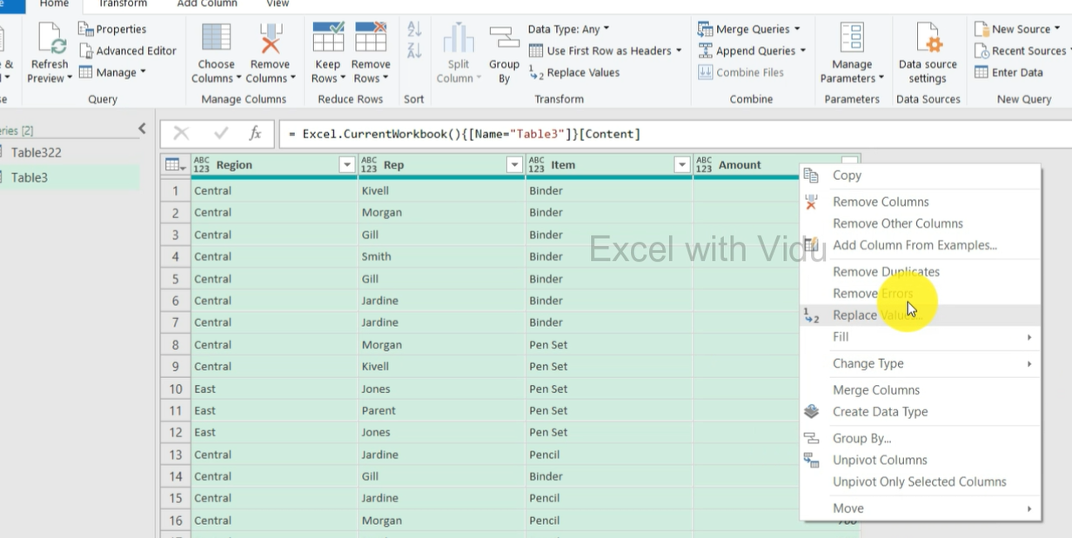
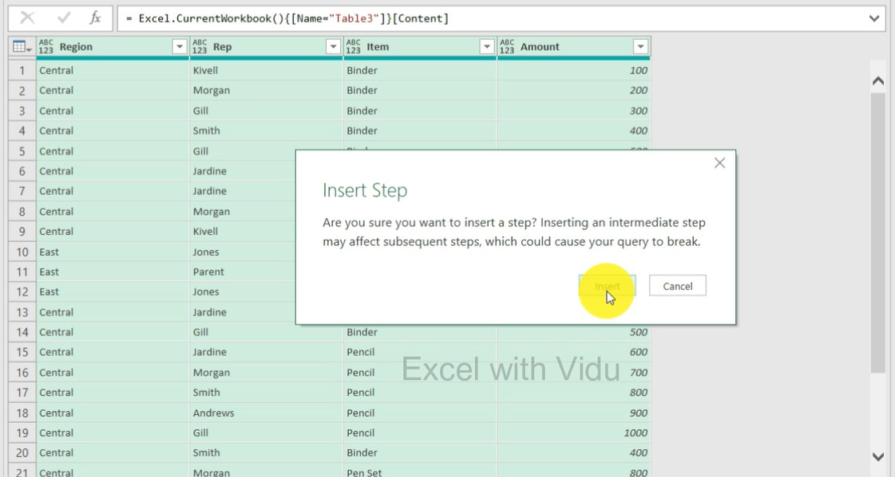
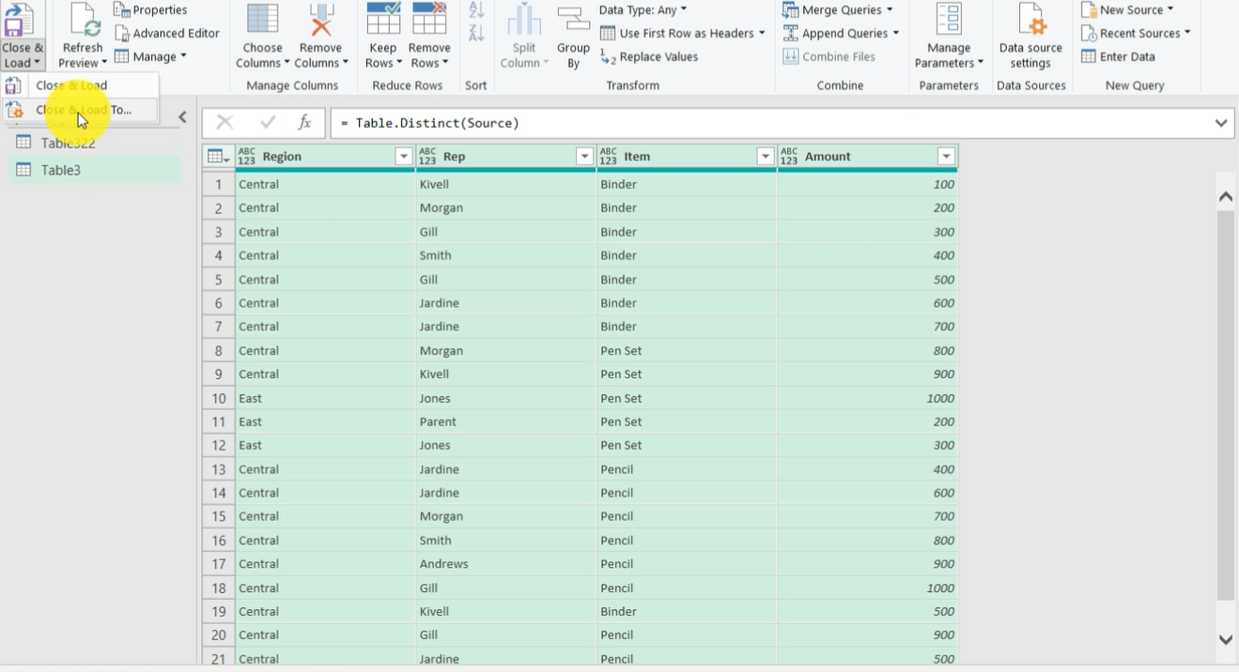
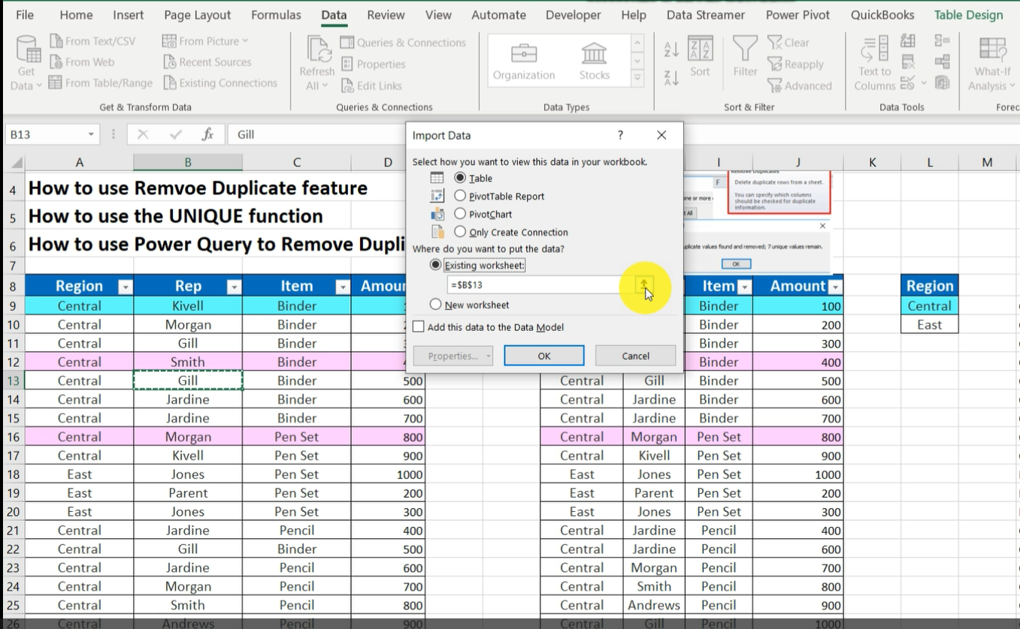
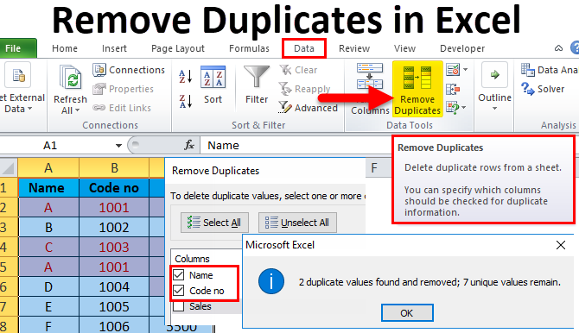
 |  | Remove Duplicates
 |  | Excel With Vidu
 |  | Sri Lanka's No 01 Excel Guru

How to use Remove Duplicate feature
How to use the UNIQUE function
How to use Power Query to Remove Duplicates-From Data Table

Region | Rep | Item | Amount
Central | Kivell | Binder | 100
Central | Morgan | Binder | 200
Central | Gill | Binder | 300
Central | Smith | Binder | 400
Central | Gill | Binder | 500
Central | Jardine | Binder | 600
Central | Jardine | Binder | 700
Central | Morgan | Pen Set | 800
Central | Kivell | Pen Set | 900
East | Jones | Pen Set | 1000
East | Parent | Pen Set | 200
East | Jones | Pen Set | 300
Central | Jardine | Pencil | 400
Central | Gill | Binder | 500
Central | Jardine | Pencil | 600
Central | Morgan | Pencil | 700
Central | Smith | Pencil | 800
Central | Andrews | Pencil | 900
Central | Gill | Pencil | 1000
Central | Smith | Binder | 400
Central | Morgan | Pen Set | 800
Central | Kivell | Binder | 100
Central | Kivell | Binder | 500
Central | Gill | Pencil | 900
Central | Jardine | Pencil | 500
Central | Kivell | Binder | 1500
Central | Gill | Pencil | 1200
Central | Gill | Pencil | 1080
Central | Morgan | Pencil | 1700
Central | Kivell | Binder | 5001
Central | Kivell | Binder | 5002
Central | Kivell | Binder | 5003
Central | Kivell | Binder | 5004
Central | Kivell | Binder | 5005
Central | Kivell | Binder | 10005
Central | Kivell | Binder | 1010
Central | Kivell | Binder | 1011
Central | Kivell | Binder | 1111
Central | Kivell | Binder | 1212
Central | Kivell | Binder | 1313

